Prima pagina
MB Distribution

Office: Strada Barbu Văcărescu, nr. 162 , Sector 2, Cod Poștal 020284, București
Depozit: Mogoșoaia, Șos. București – Târgoviște nr. 12A, corp C, TERRANOVA
Office: +4021 230 03 15 | Service: +4021 230 53 84 | Depozit: +4072 428 81 37 | Fax: +4021 230 03 13
office@mbd.ro | service@mbd.ro | www.mbd.ro
Valabilitate ofertă: 12 - 18 august 2026
Condiții comerciale

» Preturile nu conțin TVA, moneda este conform celor specificate în listă, pentru valabilitatea prețurilor promoționale verificați coloana Promotii.
» Condiție de livrare: vă putem trimite echipamentele în condițiile speciale negociate de MBD pentru partenerii săi
» Produsele vor fi puse la dispoziția cumpărătorului sub condiția INCOTERMS 2021 EXW (Ex-Works), cumpărătorul este responsabil pentru plata transportului
și costul asigurării.
» MB Distribution, prin oferte speciale poate achita prețul transportului, ofertele speciale pot fi revocate sau modificate unilateral cu condiția informării în prealabil.
» MB Distribution s-a achitat de obligația de livrare a produselor atunci când acestea sunt puse la dispoziția cumpărătorului în depozitul MB Distribution sau dupa caz, a predat produsele în grija cărăușului/curierului sau în conditii speciale a transportat produsele cu mijloacele proprii la locația indicată de cumpărător.
Click aici
» Tarife Transport / Condiții Transport valabile începând cu 1 septembrie 2025
» Livrările de proiecte în București și pe o rază de până la 100 Km, se vor face cu mașina MBD - fără costuri
» Livrările la sediul cumpărătorului, în orașul de reședință al acestuia, doar pentru mărfuri nepaletate, se face prin curieri - fără costuri de transport.
Cumpărătorul suportă costul asigurării, în funcție de opțiune.
» Livrările la clienții finali se vor taxa conform tarifelor de transport, la care se poate adăuga costul asigurării, în funcție de opțiune.
» Condițiile comerciale pot fi modificate, din motive obiective, la inițiativa unilaterală a distribuitorului, de aceea vă rugăm să urmăriți ofertele noastre periodice
» Livrările se fac în ordinea comenzilor; pentru stocurile anunțate ca limitate vă rugăm sunați pentru confirmare

Coordonate utile MB Distribution: Vânzări: vanzari@mbd.ro | Marketing: marketing@mbd.ro | Service: service@mbd.ro | Contabilitate: contabilitate@mbd.ro |
Logistica: livrari@mbd.ro | Juridic: juridic@mbd.ro

MB Distribution SRL | Nr.Reg.Com.: J40/26946/1994 | C.U.I.: 6646605 | Capital social: 2.139.090 lei

Promotii active
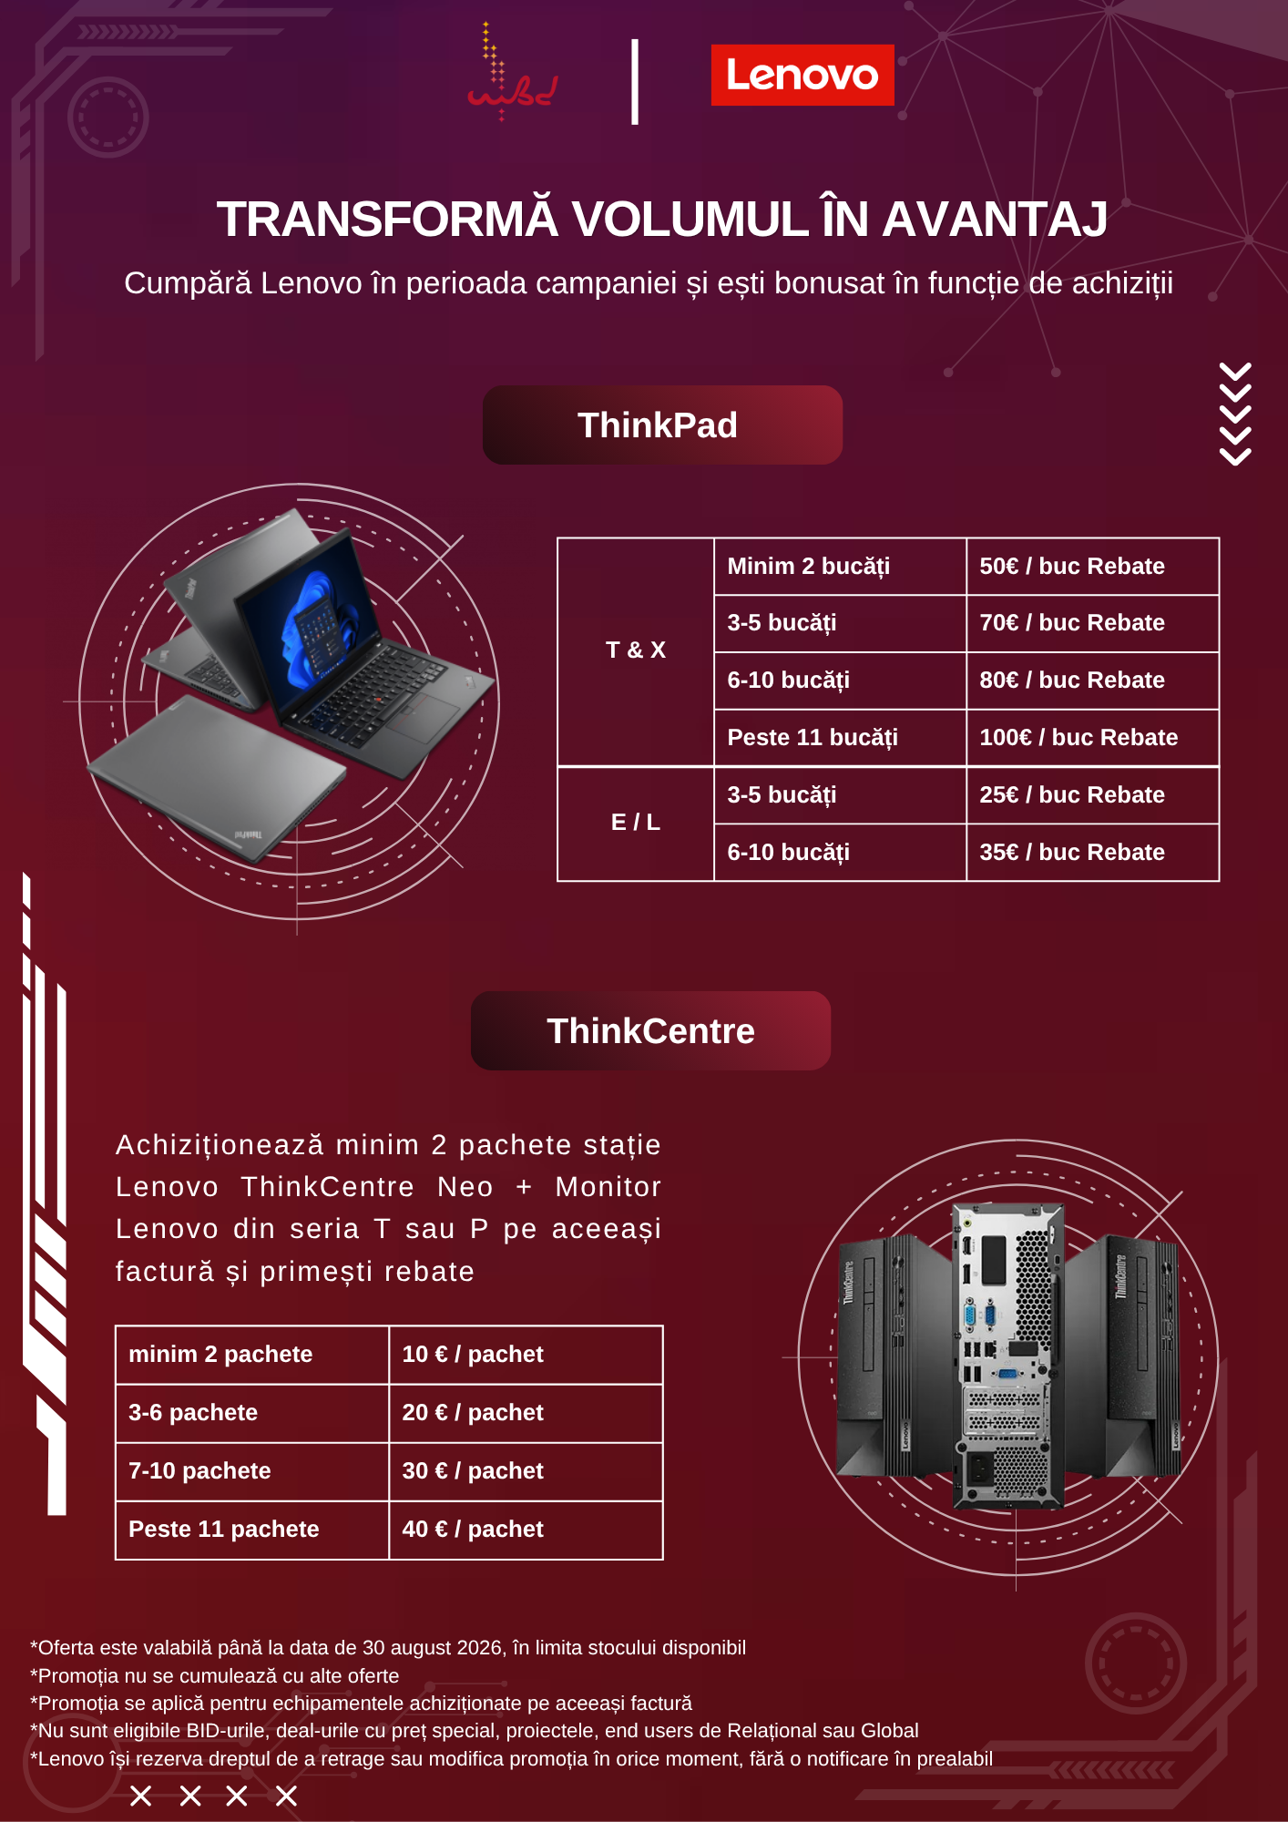
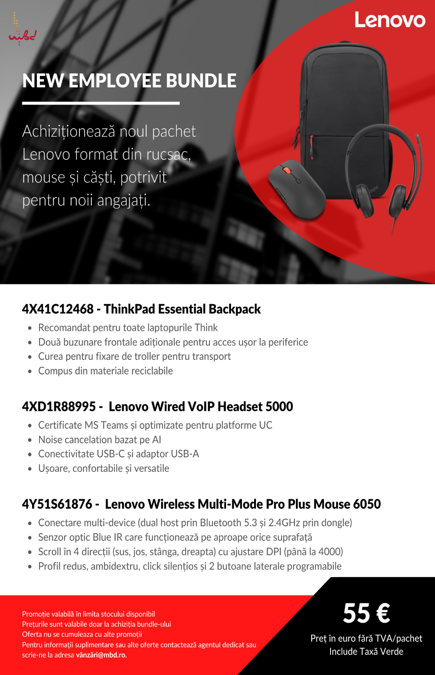
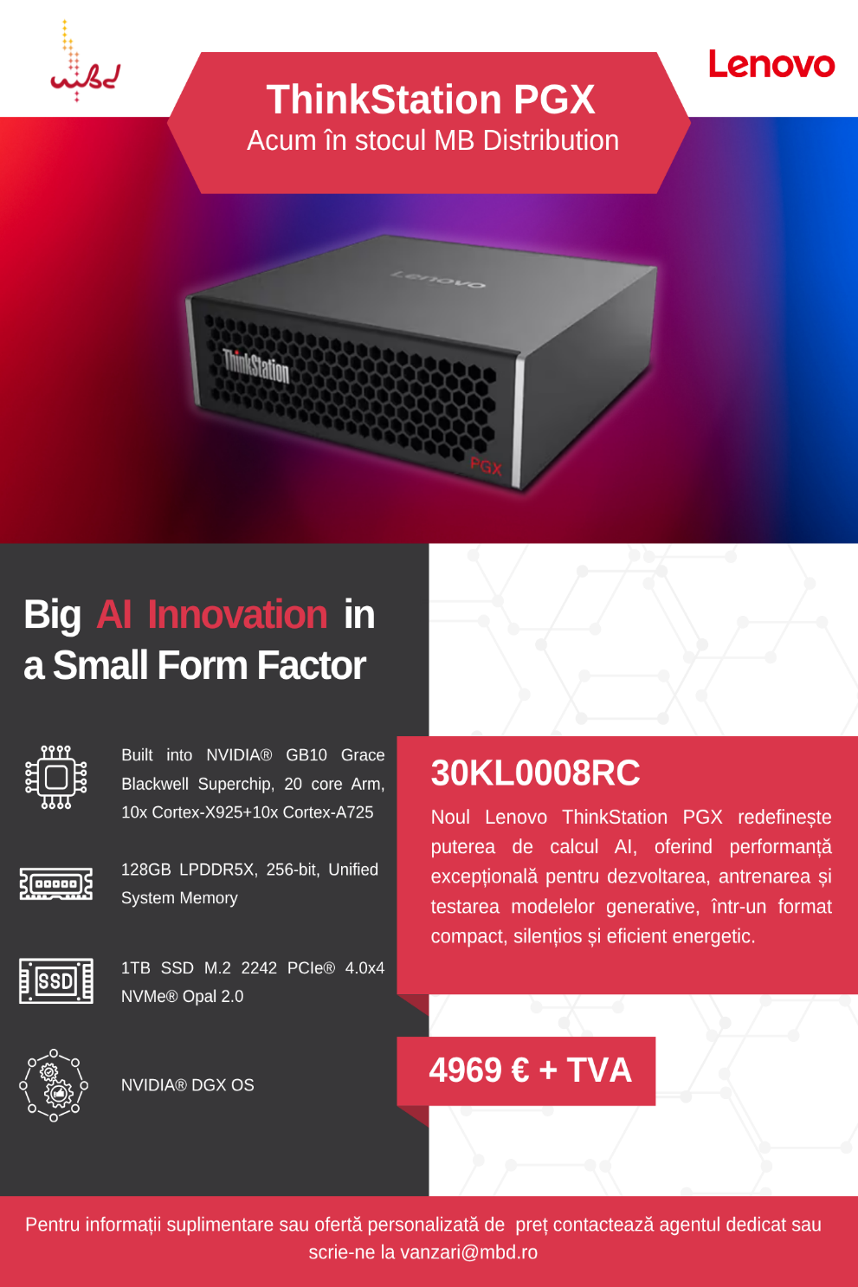
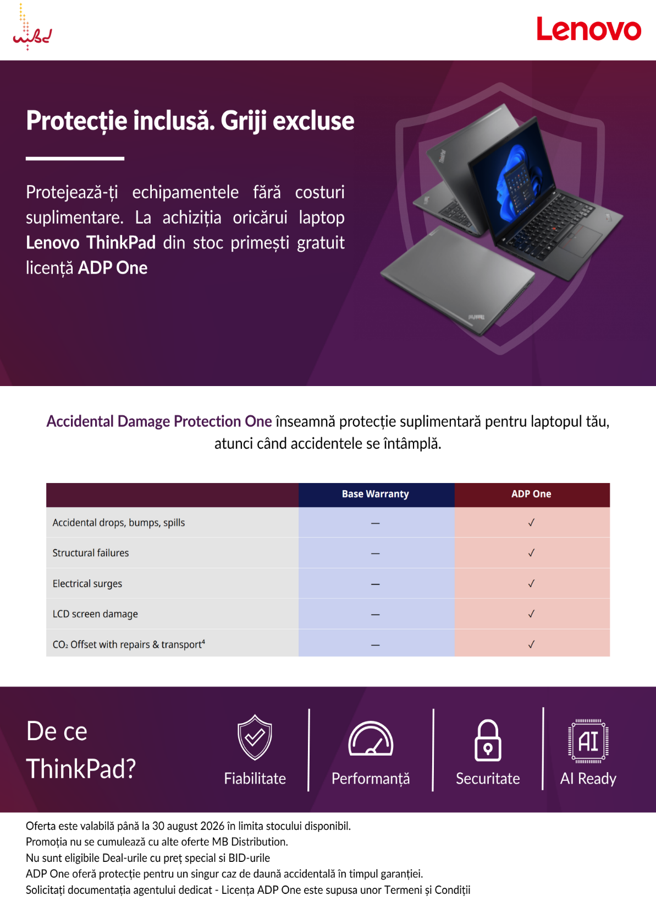
NU ESTE ELIGIBILA PT ONLINERI

